listing
1) ENGLISH ITEM NAME (ex : OOOO machine) | 2)中文名称 | 3) MANUFACTUROR (ex : OOO company) | 4) MODEL NO (ex : abc-123) | 5)Serial number | 6)CN hs code | 7)VN hs code | 8)Material | 9) VOLTAGE (ex : 220V) | 10) CAPACITY (ex :1200KW) | 11) Manufacture date (yyyy-mm-dd) | 12) ORIGIN | 13) NEW or USED | 14) PICTURE (BEFORE PACKING) | 15) PICTURE (NAME PLATE or label) | 16)Quantity | 17)cost(RMB 13%VAT) | 18)cost(USD) | 19)Total cost(USD) | 20)CARTON NO. | 21)CTN QTY | 22)G.W(KGS) | 23)N.W(KGS) | 24)Package Size(CM) | 25)Part size(CM) | 26)应用范围 | 27)是否带电源
Dial test indicators | 杠杆指示表 | Guanglu Co.,LTD | 322-211W | 4322434 |  |  | 不锈钢 | / | / | 2024.06.05 | China | NEW |  |  | 1 |  |  |  | B3 | 1 | 48(木箱) | 0.15 | 196X40X28 | 10.5X6.2X3.5 | Product measurement | NO
Digital display height ruler | 数显高度尺 | Guanglu Co.,LTD | 131-103GA | K24L162317 |  |  | 不锈钢 | / | / | 2024.12.17 | China | NEW |  |  | 1 |  |  |  |  |  |  | 3.8 |  | 50X26X12 | Product measurement | NO
Digital calipers | 数显卡尺 | Guanglu Co.,LTD | 111-103-10G | K24A181105 |  |  | 不锈钢 | / | / | 2024.08.01 | China | NEW |  |  | 1 |  |  |  |  |  |  | 0.78 |  | 43X13.5X3.5 | Product measurement | NO
Digital calipers | 数显卡尺(双刀爪） | Guanglu Co.,LTD | 111-405GS | K24M160683 |  |  | 不锈钢 | / | / | 2024.09.18 | China | NEW | 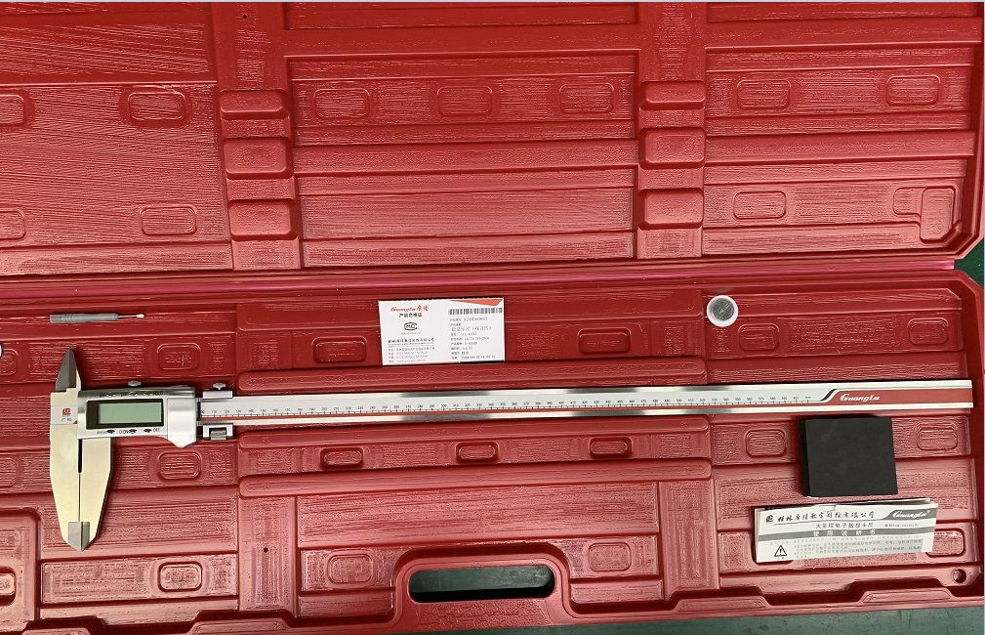 |  | 1 |  |  |  |  |  |  | 3.5 |  | 88X29X5 | Product measurement | NO
Unidirectional claw vernier caliper | 单向爪游标卡尺 | Guanglu Co.,LTD | 141-756 | K24M292493 |  |  | 不锈钢 | / | / | 2024.10.09 | China | NEW |  |  | 1 |  |  |  |  |  |  | 6.3 |  | 182X20X2 | Product measurement | NO

